Estimators
 |  |  | Mean | Std. Dev. | Sample
Point Estimation |  | Corresponding Sample Statistic | of the | Theoretical | Based
 |  | Minimum Variance Unbiased Estimator | Sample | Standard | Standard
Characteristic | Parameter | Best Estimate for the Parameter | Statistic | Error | Error
Mean | m | y-bar or Ῡ | m

Confidence Interval Estimation
(Answers the "How big is it?" question with an interval for the value of a characteristic.)
Rather than estimating a parameter with a single value (point estimation), an interval can be created. The estimate is that the unknown parameter is in the interval. Based on certain assumptions one can calculate the probability that the interval contains the unknown parameter value. This probability is the CONFIDENCE LEVEL and is generally expressed as a percent. In practice, one specifies the confidence level (probability) and then calculates the interval that would give this probability based on the sampling distribution of the statistic used to estimate the parameter.

Diagram
Confidence Level = 1 - a = 100*(1-a) %

Cumulative area to the left = 1 - α / 2

Area in right tail = α/2
Area in left tail = α/2
-4 | 0.00013383022576
-3.8 | 0.00029194692579
-3.6 | 0.00061190193011
-3.4 | 0.0012322191685
-3.2 | 0.0023840882015
-3 | 0.0044318484119
-2.8 | 0.007915451583
-2.6 | 0.013582969234
-2.4 | 0.022394530295
-2.2 | 0.035474592846
-2 | 0.053990966513
-1.8 | 0.078950158301
-1.6 | 0.11092083468
-1.4 | 0.14972746564
-1.2 | 0.19418605498
-1 | 0.24197072452
-0.8 | 0.28969155276
-0.6 | 0.33322460289
-0.4 | 0.3682701403
-0.2 | 0.39104269398
1.2767564783E-15 | 0.3989422804
0.2 | 0.39104269398
0.4 | 0.3682701403
0.6 | 0.33322460289
0.8 | 0.28969155276
1 | 0.24197072452
1.2 | 0.19418605498
1.4 | 0.14972746564
1.6 | 0.11092083468
1.8 | 0.078950158301
2 | 0.053990966513
2.2 | 0.035474592846
2.4 | 0.022394530295
2.6 | 0.013582969234
2.8 | 0.007915451583
3 | 0.0044318484119
3.2 | 0.0023840882015
3.4 | 0.0012322191685
3.6 | 0.00061190193011
3.8 | 0.00029194692579
4 | 0.00013383022576

Table Values
a = Alpha |  |  |  | 2-sided Table Value
 | 2-tail | 1-tail | Cumulative |  | s used for s
Confidence | Area | Area | Area | Z | 10 | = Degrees of Freedom = df = n-1
1 - a | a | a/2 | 1-a/2 | Z 1 - a/2 | t 1 - a/2
80% | 0.2 | 0.1 | 0.9 | 1.282 | 1.372
90% | 0.1 | 0.05 | 0.95 | 1.645 | 1.812
95% | 0.05 | 0.025 | 0.975 | 1.960 | 2.228
99% | 0.01 | 0.005 | 0.995 | 2.576 | 3.169
You can use the tables in the back of the book to obtain the Table Value.
Remember that the t distribution with infinite degrees of freedom is identical to the standard normal distribution. You can use the t table, Table T, using the infinite degrees of freedom to obtain the values for the standard normal distribution.

Excel can also be used to obtain these values as has been done to get the values above.
For the t distribution, use the TINV(probability,df) or T.INV.2T(probability,df), where the probability in this case is the two-tail probability = Alpha and df = degrees of freedom.
Excel 2010 function in green

If the variance (standard deviation) of sample data is used in the inference process then this value is essentially used to estimate a phenomenon value. The t distribution with degrees of freedom = (n-1) accounts for the extra variation that is introduced because of the sample measure of spread being used rather than the actual phenomenon value. If the inference process for either a confidence interval or a test of hypothesis uses a variance or standard deviation calculated from sample data then the t-distribution is used rather than the standard normal distribution.

C.I. Mean
General Form for a Two-sided Confidence Interval for an Unknown Location Parameter

(Minimum Variance Unbiased Estimator of the Parameter) ± (2-sided Margin of Error)

(Margin of Error) = (Table Value) * (Standard Error of the Estimate)
A. For an unknown phenomenon mean, µ, estimate µ with the sample mean Ῡ

Theoretical Standard Error of Ῡ = SET(Ῡ) = s / n.5 {note that the square root of a number = (number).5}
Sample based estimate of Standard Error of Ῡ = SE(Ῡ) = s / n.5 {s is estimated by s}

Confidence Interval for estimating µ |  |  | Ῡ ± TINV(α,df) • s /
 |  |  | T.INV.2T(α,df)
 | Excel 2010 function in green
 |  | 95% Table Value (Sharpe text calls this a Critical Value)
 |  | 2.0859634473 | =TINV(0.05,20)
 |  | 2.0859634473 | =T.INV.2T(0.05,20)

Mean Example
General Form for a 2-sided Confidence Interval for an Unknown Location Parameter

(Minimum Variance Unbiased Estimator of the Parameter) ± (2-sided Margin of Error)

(Margin of Error) = (Table Value) * (Standard Error of the Estimate)

For an unknown phenomenon MEAN, μ |  |  | Confidence = 100*(1-a)%
Since σ is estimated with the sample standard deviation, s.
Use the "t" distribution with n-1 degrees of freedom.

Theoretical Standard Error of y-bar = SET(y-bar) = σ / n.5 {note that the square root of a number = (number).5}
Sample based estimate of Standard Error of y-bar = SE(y-bar) = s / n.5 {σ is estimated by s}

 |  |  | Confidence Interval for Estimating μ or Testing H0: μ = μ0 |  | ± TINV(α,n-1) •
 |  |  | Versus HA: μ ≠ μ0

The Descriptive Statistics Procedure in Excel Data Analysis will calculate the sample mean and margin of error.
Example |  | Data
Data | obs. #
80 | 1 | Mean | 61 | ← This is the Sample Mean
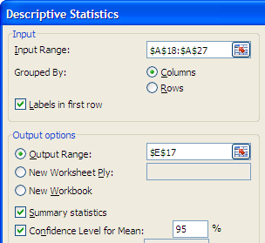
9 | 2 | Standard Error | 10.001388792
36 | 3 | Median | 66
94 | 4 | Mode | #N/A
96 | 5 | Standard Deviation | 30.004166377
83 | 6 | Sample Variance | 900.25
41 | 7 | Kurtosis | -0.93670541766
44 | 8 | Skewness | -0.43256975009
66 | 9 | Range | 87
61 | Mean | Minimum | 9
30.004166377 | Std. Dev. | Maximum | 96
10.001388792 | SE(Mean) = SE(Ῡ) | Sum | 549
8 | d.f. | Count | 9
2.3060041352 | 95% Table Value | Confidence Level(95.0%) | 23.063243894 | ← This is the Margin of Error for a 95% Interval
23.063243913 | 95% Margin of Error |  | 23.063243913 | =CONFIDENCE.T(0.05,F23,F31)
 |  | Upper Limit for a 95% Confidence Interval = | 84.063243894 | = sample mean + Margin of Error
 |  | Lower Limit for a 95% Confidence Interval = | 37.936756106 | = sample mean - Margin of Error

Analogy
Many people find it useful to compare hypothesis testing to a court or judge deciding if the accused is guilty or not. In this situation, the accused is assumed not guilty until there is adequate evidence to support a conclusion of guilt. In hypothesis testing, not guilty corresponds to the null hypothesis and guilty corresponds to the alternate hypothesis. The evidence is the information in the sample.
H₀: Not Guilty vs. H_{A}: Guilty
Alpha = α = Probabilty of a guilty conclusion for an innocent person.
Beta = β = Probabilty of a not guilty conclusion for guilty person.
To protect against convicting innocent people, Alpha is chosen to be a small number when setting up the decision process for reaching a conclusion.
In hypothesis testing, typical values for Alpha are .1, .05 or .01.

Confidence Interval Method
This method uses a confidence interval to create a feasible region for the unknown parameter using sample data. If the confidence interval contains the hypothesized value then H₀ is concluded as being true. If the confidence interval does not contain the hypothesized value then H₀ is rejected as being true.
Confidence Interval Method to test
 | H0: Parameter (is equal to) Hypothesized Value
 | HA: Parameter (differs from) Hypothesized Value

H0: m = 10 |  | Sample of 16 observations |  |  | Alpha = | 0.05 |  | d.f.=16-1= | 15
HA: m ≠ 10 |  | Mean = | 9.1 |  | 2-tail Critical Value = | 2.1314495456 | = Table Value
 |  |  |  | sample Standard Deviation = s = | 2.4
 |  |  |  | SE(Sample Mean)= | 0.6 | =F11/SQRT(16)
 |  |  |  | Table Value for 1-.05 = 95% Confidence Interval = | 2.1314495456 | =T.INV(0.975,K9) =T.INV.2T(0.05,15) = |  |  |  | 2.1314495456
 |  |  |  | Margin of Error for 95% Confidence Interval = | 1.2788697273 | = F13*F12 |  | Excel 2010 function in green

 |  |  |  | Upper Limit for 95% Confidence Interval = | 10.378869727 | =F10+F14
 |  |  |  | Lower Limit for 95% Confidence Interval = | 7.8211302727 | =F10-F14
The null hypothesized value of 10 is contained in the Confidence Interval. Hence the conclusion is that the null hypothesis is accepted.

Critical Method
Critical Value Method to test
 | H0: Parameter (is equal to) Hypothesized Value
 | HA: Parameter (differs from) Hypothesized Value
This method creates a feasible region for the test statistic assuming H₀ is true. If the feasible region for the test statistic contains the value of the test statistic computed from the sample data then H₀ is concluded as being true. The area outside the feasible region for the test statistic is referred to as the rejection region. If the computed value of the test statistic does not lie in the feasible region (It is in the rejection region.) then H₀ is rejected as being true.

H0: m = 10 |  | Sample of 16 observations |  |  | Alpha = | 0.05 |  | d.f.=16-1= | 15
HA: m ≠ 10 |  | Mean = | 9.1 |  | 2-tail Critical Value = | 2.1314495456 | = Table Value
 |  |  |  | sample Standard Deviation = s = | 2.4
 |  |  |  | SE(Sample Mean)= | 0.6 | =F12/SQRT(16)
 |  |  |  | Table Value for 1-.05 = 95% Confidence Interval = | 2.1314495456 | =T.INV(0.975,K9) |  |  |  | Fail to Reject the Null
 |  |  |  | Upper Critical Value for 2-sided α=.05 = | 2.1314495456 | = T.INV.2T(0.05,15)
 |  |  |  | Lower Critical Value for 2-sided α=.05 = | -2.1314495456 | = -T.INV.2T(0.05,15) |  |  |  | -2.13145 |  | 2.13145
 |  |  |  | Test Statistic = TS = | -1.5 | =(D11-10)/F13
 |  |  |  |  |  | Excel 2010 function in green |  |  |  |  | -1.5
The Test Statistic value of -1.5 is inside the two critical values. Hence the conclusion is that the null hypothesis is NOT rejected. The data do not support concluding that the true mean differs from 10.

p-value Method
p-value Method to test
 | H0: Parameter (is equal to) Hypothesized Value
 | HA: Parameter (differs from) Hypothesized Value
This method calculates the probability of obtaining by chance a sample result at least as extreme as the one observed in the actual sample assuming the null hypothesis is true. If this probability is large then the null assumption seems reasonable and H₀ is concluded as being true. However, if the calculated probability is small the null assumption would appear to be questionable and H₀ is rejected as being true. p-value = probability of getting this much support for the alternate by chance if the null is true.
Small value = small probability the result is merely due to chance.

H0: m = 10 |  | Sample of 16 observations |  |  | Alpha = | 0.05 |  | d.f.=16-1= | 15
HA: m ≠ 10 |  | Mean = | 9.1 |  | 2-tail Critical Value = | 2.1314495456 | = Table Value
 |  |  |  | sample Standard Deviation = s = | 2.4
 |  |  |  | SE(Sample Mean)= | 0.6 | =F12/SQRT(16) |  |  | 0.077183330191 | 0.9228
 |  |  |  | Test Statistic = TS = | -1.5 | =(D12-10)/F14
 |  |  |  | Area under curve to the left = P(T<-1.5) = | 0.077183330191 | =T.DIST(F15,15,TRUE)
 |  |  |  | Area under curve to the right = P(T>-1.5) = | 0.92281666981 | =T.DIST.RT(F15,15)
The old TDIST and newer T.DIST functions that calculate the 2-tail area (probability) require that the input value not be negative!
 |  |  |  |  | #NUM! | =T.DIST.2T(F15,15)
 |  |  |  |  | 0.15436666038 | =T.DIST.2T(-F15,15) |  |  |  | -1.5
 |  |  |  |  |  | Excel 2010 function in green
 |  |  |  |  | #NUM! | =TDIST(F15,15,2)
 |  |  |  |  | 0.15436666038 | =TDIST(-F15,15,2)
 |  |  |  |  | 0.1544 | = 2-tail p-value

The Test Statistic value of -1.5 is inside the two critical values. Hence the conclusion is that the null hypothesis is NOT rejected. The data do not support concluding that the true mean differs from 10.

Mean Example 2-tail
Since the sample standard deviation is used to calculate the Standard Error of the Mean, then the t distribution with degrees of freedom = (n-1) accounts for the extra variation that is introduced because of the sample measure of spread being used rather than the actual phenomenon value.
Use the t-distribution if the inference process for either a confidence interval or a test of hypothesis uses a variance or standard deviation calculated from sample data.
H0: m = 10 |  | Sample of 16 observations |  |  | Alpha = | 0.05 | d.f.=16-1= | 15
HA: m ≠ 10 |  | Mean = | 9.1 |  | 2-tail Critical Value = | 2.1314495456 | = Table Value
 |  |  | sample Standard Deviation = s = | 2.4 | < This is the sample standard deviation
 |  | SE = | 0.6 |  | Margin of Error = | 1.2788697273
 |  |  |  | Confidence Interval
 |  |  |  |  | Upper Limit = | 10.378869727

The test statistic is negative, the TDIST & T.DIST.2T functions require non-negative input.
 |  | Test Statistic = TS = | -1.5 |  | Lower Limit = | 7.8211302727
 |  | 1-tail area below TS = | 0.077183330191 | 10 is inside the interval, FAIL TO REJECT NULL

 |  | 2-tail p-value = | 0.15436666038 | =TDIST(-D8,I1,2) =T.DIST.2T(-D8,I1) |  |  |  | 0.15436666038
 | FAIL TO REJECT NULL, p-value = .1544 > .05 = α |  |  |  |  |  |  | Excel 2010 function in green
 | Critical Value Method |  |  | Lower C.V. < TS < Upper C.V.
 |  | Upper Critical Value = | 2.1314495456 | -2.131 < -1.5 < 2.131
 |  | Lower Critical Value = | -2.1314495456 | FAIL TO REJECT NULL
Since ≠ is in the alternate hypothesis then the test would be a 2-tail test.
If > is in the alternate hypothesis then this is a 1-tail upper-tail test.
If < is in the alternate hypothesis then the test would be a 1-tail lower-tail test.

 |  |  | 0.077183330191 | =T.DIST(D8,I1,TRUE)
 |  |  | 0.077183330191 | =T.DIST.RT(-D8,I1)
 |  |  | 0.15436666038 | =T.DIST.2T(-D8,I1)
 |  |  | 2.1314495456 | =T.INV.2T(G1,I1)
 |  |  | 2.1314495456 | =T.INV(1-G1/2,I1)
 |  |  | Excel 2010 function in green

JMP 2-tail
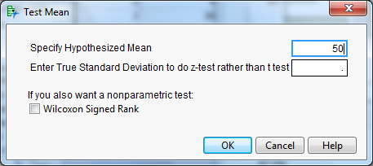
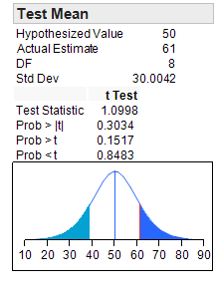
In JMP select Analyze then Distribution |  |  | Test Mean Output
In the JMP output click on the red triangle and the select Test Mean from the menu to test the mean.
Example |  | Then in the Test Mean menu specify the hypothesized mean of 50.
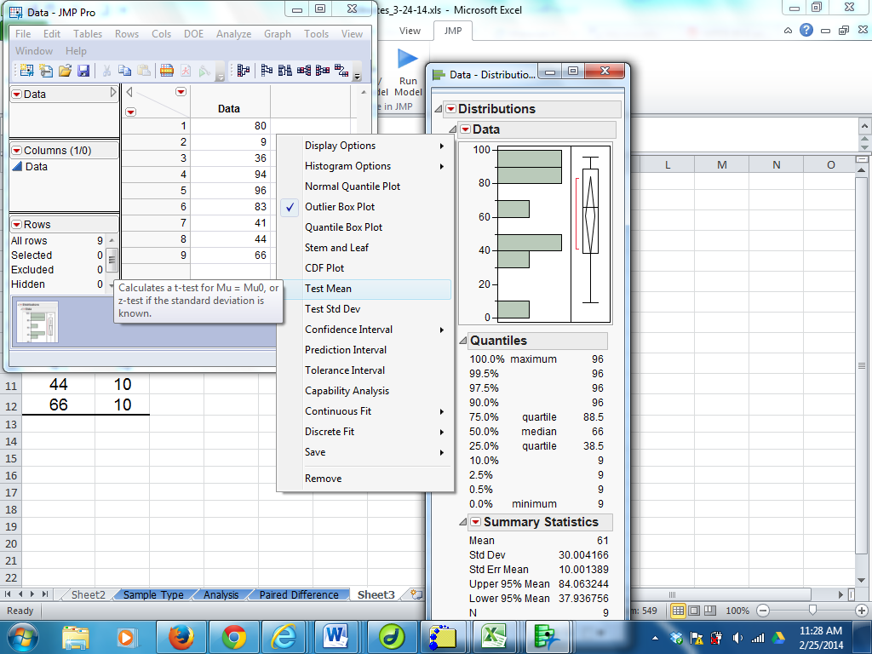
Data | Null
80 | 50
9 | 50
36 | 50
94 | 50
96 | 50
83 | 50
41 | 50
44 | 50
66 | 50
H0: m = 50
HA: m ≠ 50

p-value for testing H₀: µ = 50 vs. H_{A}: µ ≠ 50 is the value for
Prob > |t|.

Mean Example 1-tail
Since the sample standard deviation is used to calculate the Standard Error of the Mean, then the t distribution with degrees of freedom = (n-1) accounts for the extra variation that is introduced because of the sample measure of spread being used rather than the actual phenomenon value.
Use the t-distribution if the inference process for either a confidence interval or a test of hypothesis uses a variance or standard deviation calculated from sample data.
H0: m=100 |  | Sample of 25 observations |  |  | Alpha = | 0.1 | 1.3178359337
Ha: m>100 |  | Mean = | 105 |  | 1-tail Critical Value = | 1.3178359337 | = Table Value
 |  |  | Standard Deviation = s = | 10 | < This is the sample standard deviation
 |  | SE = | 2 |  | Margin of Error = | 2.6356718673
 |  |  |  | Confidence Interval (you are not required to know this)
 |  | Test Statistic = TS = | 2.5 |  | Upper Limit = | NONE
 |  |  |  |  | Lower Limit = | 102.36432813
 |  |  |  | 100 is outside the interval, REJECT NULL
 |  | p-value = | 0.0098270875583 | =TDIST(D6,24,1) |  | 0.0098270875583 | =T.DIST.RT(D6,24)
 |  | REJECT NULL, p-value = .0098 < .10 = α |  |  |  | Excel 2010 function in green
 | Critical Value Method
 |  | Upper Critical Value = | 1.3178359337 | 2.5 > 1.318, REJECT NULL
 |  | Lower Critical Value = | NONE
Since > is in the alternate hypothesis then this is a 1-tail upper-tail test.
If < is in the alternate hypothesis then the test would be a 1-tail lower-tail test.
If ≠ is in the alternate hypothesis then the test would be a 2-tail test.
Critical Value Diagram

Mean 1-tail lower
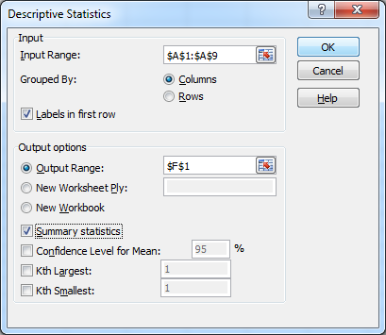
Data |  | H0: m=10 |  | Data
10 |  | Ha: m<10
12 |  |  |  | Mean | 9
8 |  | α = .05 |  | Standard Error | 1.3363062096
15 |  |  |  | Median | 9
7 |  | -0.74833147735 | Test Statistic | Mode | #N/A
6 |  |  |  | Standard Deviation | 3.7796447301
11 |  | 1-tail p-value = | 0.23932180185 | Sample Variance | 14.285714286
3 |  |  |  | Kurtosis | -0.21616
72 | Total |  |  | Skewness | -1.6917684185E-16
 |  |  |  | Range | 12
 |  |  |  | Minimum | 3
 |  |  | Fail to Reject Null | Maximum | 15
Reject Null |  |  |  | Sum | 72
 |  |  |  | Count | 8
p-value =.239322 > .05 = α
Accept Null

 | -1.8945786051 | -0.7483

Flow C I. Method
State Null (H₀) and Alternate (H_{A}) Hypotheses.
Select sample of n observations
Select the significance level, α
(usual choices are .01, .05, .10)

(calculate statistics)
Estimate and its Standard Error
Find the table value(s) for the confidence level (1 - α)

Calculate the confidence interval

Compare the null hypothesized value to
the Confidence Interval.
If H₀ value is in CI then Accept the Null
If H₀ value is NOT in CI then Reject the Null

Confidence Interval Method

Flow C. V.
Select sample of n observations
State Null (H₀)and Alternate (H_{A}) Hypotheses.
Select the significance level, α
(usual choices are .01, .05, .10)

Calculate sample statistics
Find the Critical Value or Values from the probability table

Calculate the
Test Statistic (TS)
Specify Regions for Accepting and Rejecting the Null

Determine which region contains the Test Statistic and indicate the corresponding conclusion.

Critical Value Method

Flow p-v Method
Select sample of n observations
State Null (H₀)and Alternate (H_{A}) Hypotheses.
Select the significance level, α
(usual choices are .01, .05, .10)

Calculate sample statistics
Compare the p-value to Alpha.
If p-value < Alpha then Reject the Null
If p-value > Alpha then Accept the Null

Calculate the
Test Statistic (TS)

Using the appropriate table calculate the p-value

p-value Method

