Intro
Phenomenon
Parameters
Consider four groups labeled 1, 2, 3 & 4. We want to see if the mean is the same for all four Treatment groups or if at least one is different
 | Treatment Group | 1 | 2 | 3 | 4
 | Mean | m1 | m2 | m3 | m4
 | Standard Deviation | s1 | s2 | s3 | s4

 | Independent Sample Sizes | n1 | n2 | n3 | n4 |  | N = n1 + n2 + n3 + n4
The statistics from these four samples will be used to decide if the means are all the same or if at least one is different.

Sample Statistics
 | Mean
 | Standard Deviation | s1 | s2 | s3 | s4

H_{A} is supported if all sample mean values are NOT close to each other.
(i.e. There is a difference between sample means and the variability between means is larger than anticipated.)
H0: m1 = m2 = m3 = m4 |  | H0 is supported if all sample mean values are close to each other.
HA: At least one mean is different
equivalent HA: Not all are equal

 | Variance between sample means measures closeness of means values to each other.
H0 is supported if the variance between sample means is small
Ha is supported if the variance between sample means is large
 | Small versus Large is best determined when comparing to a standard.
The Alternate hypothesis of at least one mean being different is supported only when the variance Between means is Greater than the variance Within the groups.
This a 1-tail upper-tail test.
 | The pooled variance of data Within groups is a good standard.

H0: s2Between Groups = s2Within Groups |  |  | H0: s2Between Groups / s2Within Groups = 1
HA: s2Between Groups > s2Within Groups |  |  | HA: s2Between Groups / s2Within Groups > 1
The null and alternate hypotheses above for variances are equivalent to the null and alternate hypotheses above for the four means .

Test Statistic = | Variance Between Sample Means |  |  |  |  | = | Mean Square Between Treatment Groups
 | Variance of Sample Data with Within Groups |  |  |  |  |  | Mean Square Within Groups

ANOVA presentation
Analysis results are presented in what is known as an ANOVA table
Excel Presentation |  | 1 Factor ANOVA
Source of Variation | SS | df | MS | F
Between Groups | SSTreatment | dfTreatment | MSTreatment = SSTreatment / dfTreatment | TS = MSTreatment / MSE
Within Groups | SSE | dfError | MSE = SSE / dfError
The objective of the test is to determine if the variance between groups is larger than the variance within groups. Hence this is a 1-tail upper-tail test.
Total | SSTotal | dfTotal

Text Presentation |  | One-Way ANOVA
Source of Variation | df | SS | MS | F
Treatment (Between) | dfTreatment | SSTreatment | MSTreatment = SSTreatment / dfTreatment | TS = MSTreatment / MSE
Error (Within) | dfError | SSE | MSE = SSE / dfError
Total | dfTotal | SSTotal

dfTreatment = k-1 | dfTotal = N-1 | dfError = N-k | For k treatments and N total observations

Assumptions used for the theoretical development of this analsis procedure:
Independence of data between groups and within each group.
Equal Variance in all Groups (Homogeneity of variance) The variance of the data within each group is the same
ANOVA is robust to the above assumption if the sample sizes are approximately the same for all groups.
Note: The analysis procedure tends to work well as long as the sample sizes are approximately the same for all groups.
Normality: The data within each group are normally distributed.
Note: The analysis procedure tends to work well for distributions departing from normal for large sample sizes.

Excel 1-way ANOVA
Formulas & Function to complete an ANOVA table using calculated Sums of Squares
This is done for k treatment groups and N total observations
Sums of Squares will be calculated by software such as Excel, students should be able to complete the table.
Excel Presentation |  | 1 Factor ANOVA
Source of Variation | SS | df | MS | F | P-value | F crit
Between Groups (Treatment) | SSTreatment | k-1 | =B6/C6 | =D6/D7 | =FDIST(E6,C6,C7) | =FINV(alpha,C6,C7)
The objective of the test is to determine if the variance between groups is larger than the variance within groups. Hence this is a 1-tail upper-tail test.
Within Groups (Error) | SSE | N-k | =B7/C7
Total | SSTotal | N-1

Note that Treatment + Error = Total for both Sum of Squares and degrees of freedom
SSTreatment + SSError = SSTotal |  | dfTreatment + dfError = dfTotal

One-Way ANOVA (Single Factor ANOVA)
Go to Data Analysis found under Data
Select Anova: Single Factor

JMP 1-way ANOVA
JMP 1-way ANOVA is performed using the Fit Y by X Analysis procedure.
The format for JMP input data differs from Excel input
For Excel there is a separate column of response variable data for each group
For JMP, two columns of data are required.
One column has the response variable values for each observation. Must be continuous
The other column has the group indicator or name for each observation. Must be nominal
JMP Presentation of ANOVA output
Analysis of Variance
Source | DF | Sum of Squares | Mean Square | F Ratio | Prob > F
Name of Group Variable | k-1 | SSTreatment | MSTreatment = SSTreatment / dfTreatment | TS = MSTreatment / MSE | p-value
Error | N-k | SSE | MSE = SSE / dfError
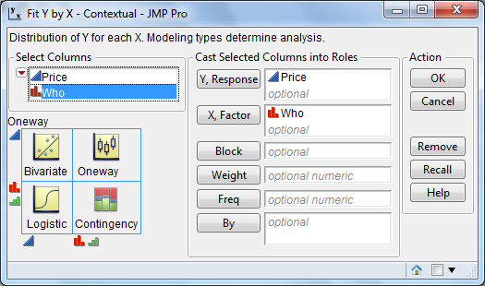
C. Total | N-1 | SSTotal

pg.406 data
Data found on page 406 |  |  | Anova: Single Factor
 | Price offered for a used camera ($)
obs. # | Buying from a Friend | Buying from a Stranger | SUMMARY
1 | 275 | 260 | Groups | Count | Sum | Average | Variance
2 | 300 | 250 | Buying from a Friend | 8 | 2255 | 281.875 | 335.26785714
3 | 260 | 175 | Buying from a Stranger | 7 | 1480 | 211.42857143 | 2155.952381
4 | 300 | 130
5 | 255 | 200
6 | 275 | 225 | ANOVA
7 | 290 | 240 | Source of Variation | SS | df | MS | F | P-value | F crit
8 | 300 |  | Between Groups | 18527.410714 | 1 | 18527.410714 | 15.760178775 | 0.0016002918657 | 4.6671927136
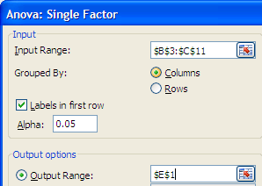
 |  |  | Within Groups | 15282.589286 | 13 | 1175.5837912

 |  |  | Total | 33810 | 14

 |  |  | t-Test: Two-Sample Assuming Equal Variances

Note that the pooled t-test that assumes equal variances and gives the same p-value as the p-value for the ANOVA.
 |  |  |  | Buying from a Friend | Buying from a Stranger
 |  |  | Mean | 281.875 | 211.42857143
 |  |  | Variance | 335.26785714 | 2155.952381
 |  |  | Observations | 8 | 7
 |  |  | Pooled Variance | 1175.5837912
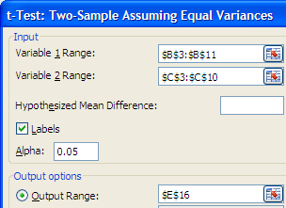
 |  |  | Hypothesized Mean Difference | 0
 |  |  | df | 13
 |  |  | t Stat | 3.9699091646
 |  |  | P(T<=t) one-tail | 0.00080014593287
 |  |  | t Critical one-tail | 1.7709333826
 |  |  | P(T<=t) two-tail | 0.0016002918657
 |  |  | t Critical two-tail | 2.1603686522

Example
Suppose these data are for three appraisers (A, B & C) of properties in a neighborhood with similar properties
For this analysis we will assume that the properties and the appraiser's assessments are all independent of one another.
Assessments have been rounded to thousands of dollars.
The goal is to test to see if the mean of assessed values is the same for all three appraisers
H0: μA = μB = μC |  |  |  | The hypothesis to the left will be tested with α=.05
HA: At least one of the means is different |  |  |  | Anova: Single Factor
 | Excel Input data
 | Appraiser A | Appraiser B | Appraiser C | SUMMARY
 | 200 | 207 | 202 | Groups | Count | Sum | Average | Variance
 | 208 | 212 | 198 | Appraiser A | 5 | 995 | 199 | 50
 | 202 | 205 | 190 | Appraiser B | 5 | 1020 | 204 | 41
 | 189 | 195 | 186 | Appraiser C | 5 | 970 | 194 | 40
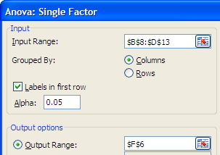
 | 196 | 201 | 194
 |  |  |  |  | Fail to Reject the Null since the p-value = .096281 > .05 = alpha
 |  |  |  | ANOVA
 |  |  |  | Source of Variation | SS | df | MS | F | P-value | F crit
 |  |  |  | Between Groups | 250 | 2 | 125 | 2.8625954198 | 0.096281302724 | 3.8852938347
 |  |  |  | Within Groups | 524 | 12 | 43.666666667

 |  |  |  | Total | 774 | 14

Fail to Reject the Null since TS=2.8626 < 3.885 = Critical Value

Ex. Graph 1
An X-Y Scatter in Excel can be used to graphically display the Appraiser data. |  | Appraiser A | Appraiser B | Appraiser C
To do so the data need to be laid out properly with numerical values for both X & Y. |  | 200 | 207 | 202
In 1-Way ANOVA one variable is the factor (appraiser for this example). |  | 208 | 212 | 198
The factor may not have a numerical value (A, B & C for appraisers). |  | 202 | 205 | 190
One solution is to assign numbers to factor groups (1=A, 2=B & 3=C) |  | 189 | 195 | 186
Below numbers for appraisers is X and appraised value is Y |  | 196 | 201 | 194
Appraiser | Value
1 | 200
1 | 208
1 | 202
1 | 189
1 | 196
2 | 207
2 | 212
2 | 205
2 | 195
2 | 201
3 | 202
3 | 198
3 | 190
3 | 186
3 | 194

Ex. Graph 2
An X-Y Scatter in Excel can be used to graphically display the Appraiser data. |  |  |  |  | Appraiser A | Appraiser B | Appraiser C
The method here includes the average for each group and a legend with each group labeled. |  |  |  |  | 200 | 207 | 202
The values to be displayed are placed on the X axis. |  |  |  |  | 208 | 212 | 198
Numbers for the factor groups are used for Y (1=A, 2=B & 3=C) |  |  |  |  | 202 | 205 | 190
The numbers for group means have .15 added to set them apart slightly from the data. |  |  |  |  | 189 | 195 | 186
 |  |  |  |  | 196 | 201 | 194
 | Appraiser C | Appraiser B | Appraiser A | Group Mean
200 |  |  | 1
208 |  |  | 1
202 |  |  | 1
189 |  |  | 1
196 |  |  | 1
199 |  |  |  | 1.15
207 |  | 2
212 |  | 2
205 |  | 2
195 |  | 2
201 |  | 2
204 |  |  |  | 2.15
202 | 3
198 | 3
190 | 3
186 | 3
194 | 3
194 |  |  |  | 3.15
Value | Appraiser C | Appraiser B | Appraiser A | Group Mean
200 |  |  | 1
208 |  |  | 1
202 |  |  | 1
189 |  |  | 1
196 |  |  | 1
199 |  |  |  | 1.15
207 |  | 2
212 |  | 2
205 |  | 2
195 |  | 2
201 |  | 2
204 |  |  |  | 2.15
202 | 3
198 | 3
190 | 3
186 | 3
194 | 3
194 |  |  |  | 3.15

JMP 1
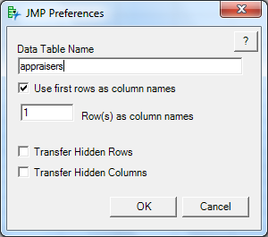
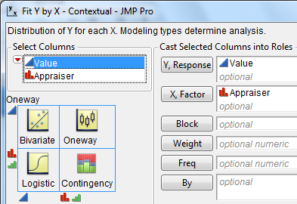
Select A3 through B18 |  | Select JMP tab, Preferences & enter as shown below. | Select Fit Y by X as JMP analysis procedure & enter as shown below.
JMP Input data
Value | Appraiser
200 | Appraiser A
208 | Appraiser A
202 | Appraiser A
189 | Appraiser A
196 | Appraiser A
207 | Appraiser B
212 | Appraiser B
205 | Appraiser B
195 | Appraiser B
201 | Appraiser B
202 | Appraiser C
198 | Appraiser C
190 | Appraiser C
186 | Appraiser C
194 | Appraiser C

JMP 2
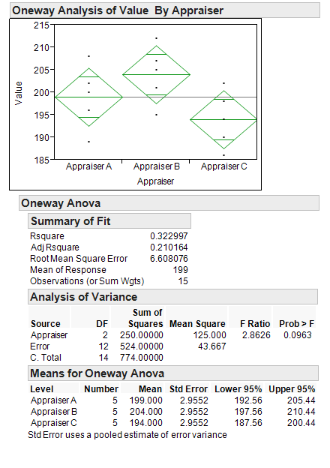
Click on red triangle to get menu and select Means/Anova. Output to right.

Simulation Graph
This is a simulation showing how data and statistics vary due to random selection of data.
A random sample of 10 values is selected from each group. |  |  |  |  |  | Push the F9 key to generate a new sample
Group | 1 | 2 | 3 | 4 | Means and Variances can be changed to see what effect the change has on the data & p-value.
The Analysis of Variance procedure (ANOVA)
measures the variance Between sample means (denoted with green squares in the graph) & compares it to the combined variance Within the groups (weighted average of the variances within each of the data groups that are denoted with blue diamonds in the graph).
(Mean Square Between Treatment Groups ) ÷
(Mean Square Within Groups)
Null: Variance Between = Variance Within
Alternate: Variance Between > Variance Within
Hence a 1-tail upper-tail test is used and the probability distribution is the F distribution.
Use the FDIST function in Excel to calculate a
p-value for a test statistic, TS.
p-value = FDIST(TS, df_{Treatment}, df_{Error})
Use the FINV function in Excel to calculate the
upper-tail critical value.
Critical Value = FINV(α, df_{Treatment}, df_{Error})
Mean | 50 | 50 | 50 | 50 | ← Change these |  | ANOVA
Variance | 100 | 100 | 100 | 100 | ← Change these |  | p-value = | 0.33865570464
 | Data | Group Mean
44.161517771 | 1
78.066313553 | 1
46.348697524 | 1
60.289553483 | 1
43.486121824 | 1
41.334746563 | 1
44.501002463 | 1
43.005812811 | 1
49.702346178 | 1
27.635099005 | 1
44.083382138 | 2
55.096133392 | 2
42.96869192 | 2
53.229360104 | 2
28.297291675 | 2
52.027581733 | 2
55.318212317 | 2
58.292992549 | 2
48.155153605 | 2
43.46091985 | 2
63.093343239 | 3
51.826935048 | 3
67.577871403 | 3
66.69512111 | 3
43.238927192 | 3
51.882732945 | 3
46.68288132 | 3
46.600012699 | 3
52.879854712 | 3
49.583185587 | 3
56.603087308 | 4
45.898217203 | 4
43.635880322 | 4
42.087052073 | 4
42.033521607 | 4
51.786031277 | 4
34.00950963 | 4
53.602251274 | 4
43.180372791 | 4
52.963977533 | 4
47.853121118 |  | 0.85
48.092971928 |  | 1.85
54.006086526 |  | 2.85
46.579990102 |  | 3.85
 |  | Data | Group Mean
Group 1, value 1 | 44.161517771 | 1
Group 1, value 2 | 78.066313553 | 1
Group 1, value 3 | 46.348697524 | 1
Group 1, value 4 | 60.289553483 | 1
Group 1, value 5 | 43.486121824 | 1
Group 1, value 6 | 41.334746563 | 1
Group 1, value 7 | 44.501002463 | 1
Group 1, value 8 | 43.005812811 | 1
Group 1, value 9 | 49.702346178 | 1
Group 1, value 10 | 27.635099005 | 1
Group 2, value 1 | 44.083382138 | 2
Group 2, value 2 | 55.096133392 | 2
Group 2, value 3 | 42.96869192 | 2
Group 2, value 4 | 53.229360104 | 2
Group 2, value 5 | 28.297291675 | 2
Group 2, value 6 | 52.027581733 | 2
Group 2, value 7 | 55.318212317 | 2
Group 2, value 8 | 58.292992549 | 2
Group 2, value 9 | 48.155153605 | 2
Group 2, value 10 | 43.46091985 | 2
Group 3, value 1 | 63.093343239 | 3
Group 3, value 2 | 51.826935048 | 3
Group 3, value 3 | 67.577871403 | 3
Group 3, value 4 | 66.69512111 | 3
Group 3, value 5 | 43.238927192 | 3
Group 3, value 6 | 51.882732945 | 3
Group 3, value 7 | 46.68288132 | 3
Group 3, value 8 | 46.600012699 | 3
Group 3, value 9 | 52.879854712 | 3
Group 3, value 10 | 49.583185587 | 3
Group 4, value 1 | 56.603087308 | 4
Group 4, value 2 | 45.898217203 | 4
Group 4, value 3 | 43.635880322 | 4
Group 4, value 4 | 42.087052073 | 4
Group 4, value 5 | 42.033521607 | 4
Group 4, value 6 | 51.786031277 | 4
Group 4, value 7 | 34.00950963 | 4
Group 4, value 8 | 53.602251274 | 4
Group 4, value 9 | 43.180372791 | 4
Group 4, value 10 | 52.963977533 | 4
Group 1, mean | 47.853121118 |  | 0.85
Group 2, mean | 48.092971928 |  | 1.85
Group 3, mean | 54.006086526 |  | 2.85
Group 4, mean | 46.579990102 |  | 3.85

Simulation ANOVA
This is a simulation showing how data and statistics vary due to random selection of data.
A random sample of 10 values is selected from each group. |  |  |  |  |  | Push the F9 key to generate a new sample
Do not make changes on this sheet!
Group | 1 | 2 | 3 | 4
Mean | 50 | 50 | 50 | 50 | Do not change these
Variance | 100 | 100 | 100 | 100 | Do not change these

ANOVA
Source of Variation | SS | df | MS | F | P-value | F crit
Between Groups | 329.84580162 | 3 | 109.94860054 | 1.159330348 | 0.33865570464 | 2.8662655509
Within Groups | 3414.1689005 | 36 | 94.838025014
Total | 3744.0147021 | 39

Group | 1 | 2 | 3 | 4 | Total (n=40)
Sample Mean | 47.853121118 | 48.092971928 | 54.006086526 | 46.579990102 | 49.133042418
Sample SST | 1591.8741112 | 702.81621324 | 682.28194455 | 437.19663157 |  | Pooled Variance
Sample Variance | 176.87490124 | 78.09069036 | 75.80910495 | 48.577403508 |  | 94.838025014
SSTR component | 16.38198536 | 10.817466242 | 237.46558871 | 65.180761308
n | 10 | 10 | 10 | 10

 | Group 1 | Group 2 | Group 3 | Group 4
Observation 1 | 44.161517771 | 44.083382138 | 63.093343239 | 56.603087308
Observation 2 | 78.066313553 | 55.096133392 | 51.826935048 | 45.898217203
Observation 3 | 46.348697524 | 42.96869192 | 67.577871403 | 43.635880322
Observation 4 | 60.289553483 | 53.229360104 | 66.69512111 | 42.087052073
Observation 5 | 43.486121824 | 28.297291675 | 43.238927192 | 42.033521607
Observation 6 | 41.334746563 | 52.027581733 | 51.882732945 | 51.786031277
Observation 7 | 44.501002463 | 55.318212317 | 46.68288132 | 34.00950963
Observation 8 | 43.005812811 | 58.292992549 | 46.600012699 | 53.602251274
Observation 9 | 49.702346178 | 48.155153605 | 52.879854712 | 43.180372791
Observation 10 | 27.635099005 | 43.46091985 | 49.583185587 | 52.963977533

2 Factor Example
These are the same data as for the previous example for one factor . No significant difference was found between appraisers when the observations were treated as independent samples rather than being blocks of observations. In the 2-factor analysis the variability from property to property is separated out showing a significant difference between appraisers.
Suppose these data are for three appraisers (A, B & C) of properties in a neighborhood with similar properties
For this analysis the are three appraisers (A, B, C) assessing five properties (numbered 1, 2, 3, 4 & 5)
We have two factors: appraisers & properties with one observation per combination of appraiser and property
There is no repetition of observations for each combination of factors.
H0: μA = μB = μC |  |  |  |  | Anova: Two-Factor Without Replication
HA: At least one of the means is different
p-value for the above test is .002721 Null is Rejected. |  |  |  |  | SUMMARY | Count | Sum | Average | Variance
H0: μ1 = μ2 = μ3 = μ4 = μ5 |  |  |  |  | Property 1 | 3 | 609 | 203 | 13
HA: At least one of the means is different |  |  |  |  | Property 2 | 3 | 618 | 206 | 52
p-value for the above test is .001764 Null is Rejected. |  |  |  |  | Property 3 | 3 | 597 | 199 | 63
 | Appraiser A | Appraiser B | Appraiser C |  | Property 4 | 3 | 570 | 190 | 21
Property 1 | 200 | 207 | 202 |  | Property 5 | 3 | 591 | 197 | 13
Property 2 | 208 | 212 | 198
Property 3 | 202 | 205 | 190 |  | Appraiser A | 5 | 995 | 199 | 50
Property 4 | 189 | 195 | 186 |  | Appraiser B | 5 | 1020 | 204 | 41
Property 5 | 196 | 201 | 194 |  | Appraiser C | 5 | 970 | 194 | 40
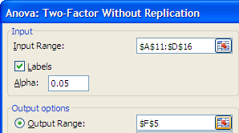
 |  |  |  |  | ANOVA
 |  |  |  |  | Source of Variation | SS | df | MS | F | P-value | F crit
 |  |  |  | Properties | Rows | 450 | 4 | 112.5 | 12.162162162 | 0.0017640324414 | 3.8378533546
 |  |  |  | Appraisers | Columns | 250 | 2 | 125 | 13.513513514 | 0.002721114635 | 4.4589701076
 |  |  |  |  | Error | 74 | 8 | 9.25

 |  |  |  |  | Total | 774 | 14

2 factor graph
Property | Appraiser A | Appraiser B | Appraiser C
1 | 200 | 207 | 202
2 | 208 | 212 | 198
3 | 202 | 205 | 190
4 | 189 | 195 | 186
5 | 196 | 201 | 194

