Plots
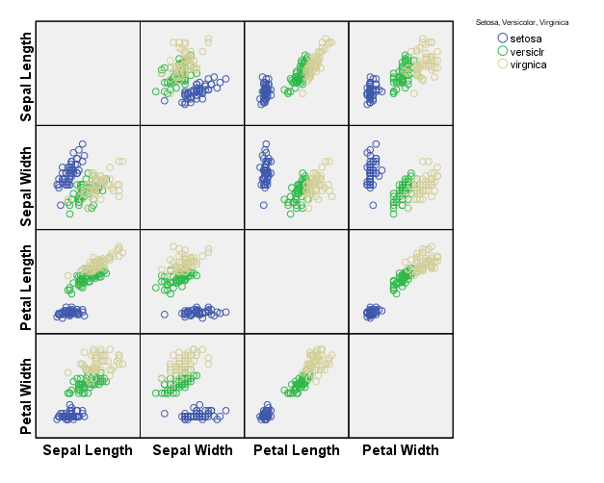
SPSS | JMP

Assumptions
The Stevens text recommends the Shapiro-Wilk test as being more powerful than the Kolmogorov-Smirnov test.
Results from Analyze > Descriptive Statistics > Explore
Tests of Normality
 | Setosa, Versicolor, Virginica | Kolmogorov-Smirnova |  |  | Shapiro-Wilk
 |  | Statistic | df | Sig. | Statistic | df | Sig.
H₀: Data are normally distributed
H_{a}: Data are NOT normally distributed
Sepal Length | setosa | 0.115 | 50 | 0.097 | 0.978 | 50 | 0.460
 | versiclr | 0.096 | 50 | .200* | 0.978 | 50 | 0.465
 | virgnica | 0.115 | 50 | 0.096 | 0.971 | 50 | 0.258
Sepal Width | setosa | 0.105 | 50 | .200* | 0.972 | 50 | 0.272 |  | Petal Width Stem-and-Leaf Plot for
 | versiclr | 0.121 | 50 | 0.066 | 0.974 | 50 | 0.338 |  | species= setosa
 | virgnica | 0.128 | 50 | 0.040 | 0.967 | 50 | 0.181 |  | Frequency Stem & Leaf
Petal Length | setosa | 0.153 | 50 | 0.005 | 0.955 | 50 | 0.055 |  | 5.00 1 . 00000
 | versiclr | 0.117 | 50 | 0.084 | 0.966 | 50 | 0.158 |  | 29.00 2 . 00000000000000000000000000000
 | virgnica | 0.114 | 50 | 0.125 | 0.962 | 50 | 0.110 |  | 7.00 3 . 0000000
Petal Width | setosa | 0.349 | 50 | 0.000 | 0.800 | 50 | 0.000 | Not normal with a=.05 | 7.00 4 . 0000000
 | versiclr | 0.148 | 50 | 0.008 | 0.948 | 50 | 0.027 | Not normal with a=.06 | 2.00 Extremes (>=.50)
 | virgnica | 0.121 | 50 | 0.066 | 0.960 | 50 | 0.087
a. Lilliefors Significance Correction |  |  |  |  |  |  |  |  | species= versiclr
*. This is a lower bound of the true significance. |  |  |  |  |  |  |  |  | Frequency Stem & Leaf
 |  |  |  |  |  |  |  |  | 7.00 10 . 0000000
Test of Homogeneity of Variance |  |  |  |  |  |  |  |  | 3.00 11 . 000
 |  | Levene Statistic | df1 | df2 | Sig. |  |  |  | 5.00 12 . 00000
The variances for this variable are not the same for all three Iris types.
Sepal Length | Based on Mean | 7.381 | 2 | 147 | 0.001 |  |  |  | 13.00 13 . 0000000000000
 | Based on Median | 6.353 | 2 | 147 | 0.002 |  |  |  | 7.00 14 . 0000000
 | Based on Median and with adjusted df | 6.353 | 2 | 119.895 | 0.002 |  |  |  | 10.00 15 . 0000000000
 | Based on trimmed mean | 7.442 | 2 | 147 | 0.001 |  |  |  | 3.00 16 . 000
There is no significant difference in variances for this variable between the three Iris types.
Sepal Width | Based on Mean | 0.601 | 2 | 147 | 0.550 |  |  |  | 1.00 17 . 0
 | Based on Median | 0.590 | 2 | 147 | 0.556 |  |  |  | 1.00 18 . 0
 | Based on Median and with adjusted df | 0.590 | 2 | 139.869 | 0.556
 | Based on trimmed mean | 0.557 | 2 | 147 | 0.574 |  |  |  | Test Results
The variances for this variable are not the same for all three Iris types.
Petal Length | Based on Mean | 20.684 | 2 | 147 | 0.000 |  |  |  | Box's M |  | 146.663
 | Based on Median | 19.480 | 2 | 147 | 0.000 |  |  |  | F | Approx. | 7.045
 | Based on Median and with adjusted df | 19.480 | 2 | 110.524 | 0.000 |  |  |  |  | df1 | 20
 | Based on trimmed mean | 20.419 | 2 | 147 | 0.000 |  |  |  |  | df2 | 77566.751
The variances for this variable are not the same for all three Iris types.
Petal Width | Based on Mean | 19.652 | 2 | 147 | 0.000 |  |  |  |  | Sig. | 0.000
 | Based on Median | 19.892 | 2 | 147 | 0.000 |  |  |  | Tests null hypothesis of equal population covariance matrices.
 | Based on Median and with adjusted df | 19.892 | 2 | 128.041 | 0.000
 | Based on trimmed mean | 20.229 | 2 | 147 | 0.000

Box Plots
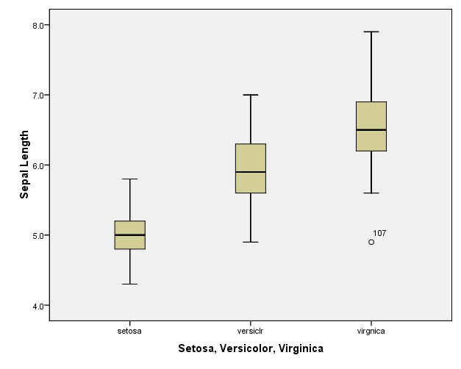
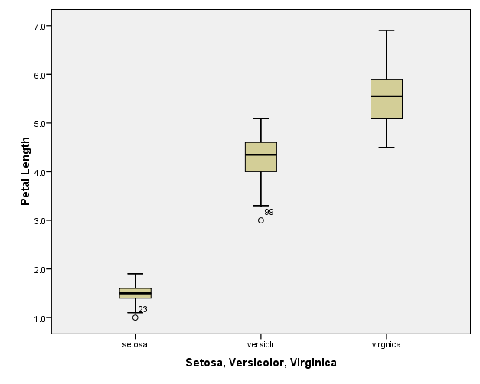
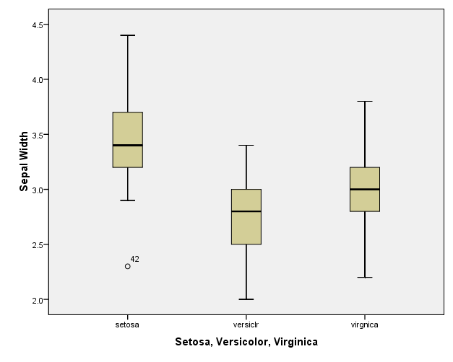
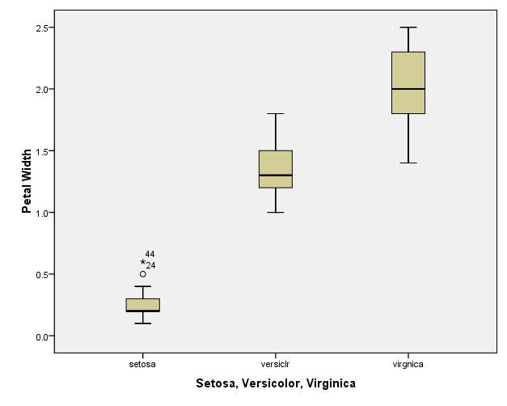
To get these copied into Excel I copied the graph from SPSS then saved into Word then I copied it in Word and saved it in Excel.

Pooled Covariances
Values below were calculated from covariances for the individual groups
Pooled Within-Groups Matricesa
 |  | Sepal Length | Sepal Width | Petal Length | Petal Width
Covariance | Sepal Length | 0.265 | 0.093 | 0.168 | 0.038 | 0.265 | 0.093 | 0.168 | 0.038
 | Sepal Width | 0.093 | 0.115 | 0.055 | 0.033 | 0.093 | 0.115 | 0.055 | 0.033
 | Petal Length | 0.168 | 0.055 | 0.185 | 0.043 | 0.168 | 0.055 | 0.185 | 0.043
 | Petal Width | 0.038 | 0.033 | 0.043 | 0.042 | 0.038 | 0.033 | 0.043 | 0.042
The pooled within-groups covariances are weighted averages of the covariances for the individual groups. The weight for each group is the degrees of freedom (n-1) for that group. Since all three groups had 50 observations, the weight for each is the same and we are able to merely find the average of the three measures.
a. The covariance matrix has 147 degrees of freedom.

Covariance Matricesa
Setosa=1, Versicolor=2, Virginica=3 |  | Sepal Length | Sepal Width | Petal Length | Petal Width
Setosa | Sepal Length | 0.124 | 0.099 | 0.016 | 0.010
 | Sepal Width | 0.099 | 0.144 | 0.012 | 0.009
 | Petal Length | 0.016 | 0.012 | 0.030 | 0.006
 | Petal Width | 0.010 | 0.009 | 0.006 | 0.011
Versicolor | Sepal Length | 0.266 | 0.085 | 0.183 | 0.056
 | Sepal Width | 0.085 | 0.098 | 0.083 | 0.041
 | Petal Length | 0.183 | 0.083 | 0.221 | 0.073
 | Petal Width | 0.056 | 0.041 | 0.073 | 0.039
Virginica | Sepal Length | 0.404 | 0.094 | 0.303 | 0.049
 | Sepal Width | 0.094 | 0.104 | 0.071 | 0.048
 | Petal Length | 0.303 | 0.071 | 0.305 | 0.049
 | Petal Width | 0.049 | 0.048 | 0.049 | 0.075
Total | Sepal Length | 0.686 | -0.042 | 1.274 | 0.516
 | Sepal Width | -0.042 | 0.190 | -0.330 | -0.122
 | Petal Length | 1.274 | -0.330 | 3.116 | 1.296
 | Petal Width | 0.516 | -0.122 | 1.296 | 0.581
a. The total covariance matrix has 149 degrees of freedom.

